Hiearchy View
CLASS: KIOSK
a small structure in a public area used for providing information or displaying advertisements, often incorporating an interactive display screen or screens. |  | 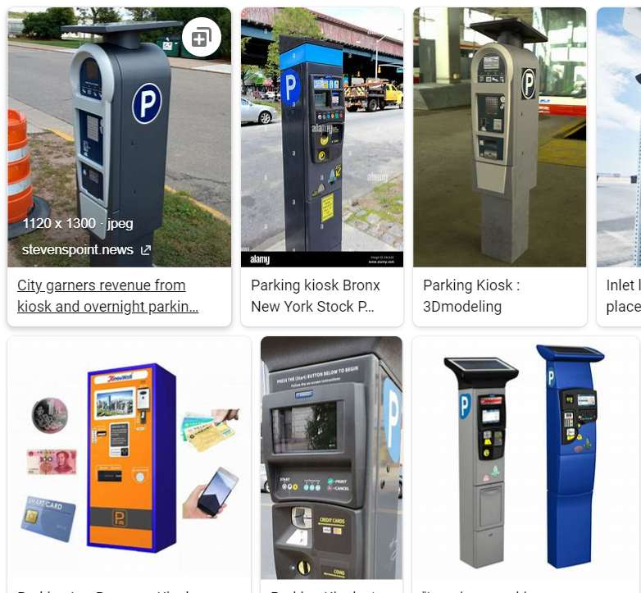
REMOVE | N

PROBLEM_DESC | CAUSE_DESC | REMEDY_DESC
BROKEN/DAMAGED
LIGHTING
OTHER PROBLEM
POWER-ELEC
STOPPED/SLOWED/POOR OPS
TEMP-CTRL
VIBRATION
Grand Total

